Main
PIONEER SERVICES

26-Sep-24

Project summary
Project Liabilities

Supplier Records
Monthy Break-up

Profit Sharing
Sub Contractors

IK
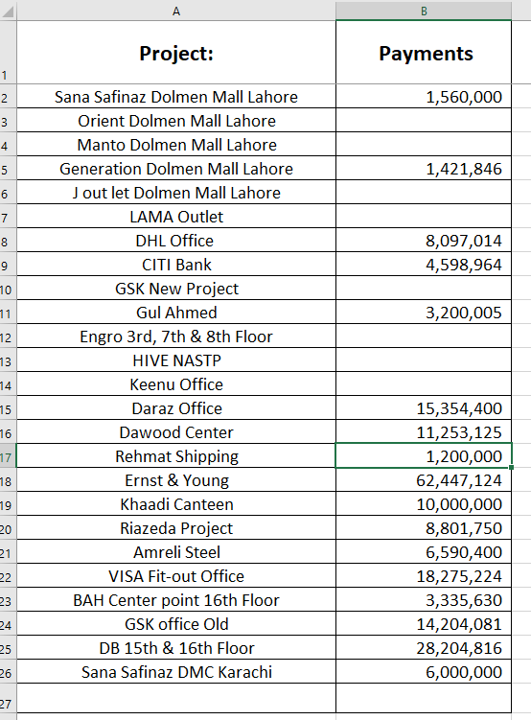
Project: | BOQ Amount | Disc % | Discount Amount | Work Order | Bill Verified | Variations | Total Work Done | Add 4.5% | Gross Deal | Received | Total Payable
LAMA Outlet |  |  | - | - |  |  | - | - | - | - | -
DHL Office | 11,500,000 |  | - | 11,500,000 |  |  | - | - | - | 8,097,014 | (8,097,014) | ok
Orient DML | 2,880,705 | 7% | 201,649 | 2,679,056 |  |  | - | - | - | 547,332 | (547,332)
Manto DML | 1,884,625 | 10% | 188,463 | 1,696,163 |  |  | - | - | - | 508,849 | (508,849)
Generation DML | 6,181,940 | 8% | 494,555 | 5,687,385 |  |  | - | - | - | 1,421,846 | (1,421,846) | ok
CITI Bank | 47,244,461 | 8% | 3,779,557 | 43,464,904 |  |  | - | - | - | 4,598,964 | (4,598,964) | ok
J out let DML | 28,834,775 | ---- | 4,334,775 | 24,500,000 |  |  | - | - | - | 6,001,008 | (6,001,008)
Gul Ahmed | 18,946,080 | 15% | 2,841,912 | 16,104,168 |  |  | - | - | - | 3,200,005 | (3,200,005) | ok
Sana Safinaz DML | 9,488,782 | ---- | 1,688,782 | 7,800,000 |  |  | - | - | - | 1,560,000 | (1,560,000) | ok
Engro 3rd, 7th & 8th Floor | 65,012,614 | 10% | 6,501,261 | 58,511,353 |  |  | - | - | - | - | -
HIVE NASTP |  |  |  |  |  |  | - | - | - | - | -
Keenu Office |  |  |  | - |  |  | - | - | - | 120,000 | (120,000)
Daraz Office |  |  |  | 11,816,000 |  |  | 11,816,000 | 531,720 | 12,347,720 | 10,854,400 | 1,493,320 |  | 15,354,400 | 4,500,000
Dawood Center |  |  |  | - |  |  | - | - | - | 11,253,125 |  | ok
Rehmat Shipping | 5,138,700 | ---- | 138,700 | 5,000,000 |  |  | 5,000,000 | 225,000 | 5,225,000 | 2,900,094 | 2,324,906 | ok
Ernst & Young | 76,247,090 | 12% | 9,149,651 | 67,097,439 |  |  | 67,097,439 | 3,019,385 | 70,116,824 | 62,447,124 | 7,669,700 | ok
Khaadi Canteen | 19,265,070 |  |  | 19,265,070 | 12,264,875 | 553,023 | 12,817,898 | 576,805 | 13,394,703 | 10,021,233 | 3,373,470 |  | 10,000,000 | (21,233)
Riazeda Project |  |  |  | 9,265,000 |  | 1,337,650 | 10,602,650 | 477,119 | 11,079,769 | 8,631,750 | 2,448,019 |  | 8,801,750 | 170,000
Amreli Steel | 9,435,400 |  |  | 9,435,400 | 7,634,181 | 1,335,898 | 8,970,079 | 403,654 | 9,373,732 | 6,590,400 | 2,783,332 | ok
VISA Fit-out Office | 14,110,484 | 7% | 987,734 | 13,122,750 | 15,743,819 | 3,091,025 | 18,834,844 | 847,568 | 19,682,412 | 19,682,463 | (51) | ok
BAH Center point | 7,767,350 |  |  | 7,767,350 | 4,180,000 | 657,480 | 4,837,480 | 217,687 | 5,055,167 | 3,185,630 | 1,869,537 |  | 3,335,630 | 150,000
Ethnic Outfitter | 22,948,040 | 6.3% | 1,445,727 | 21,502,313 | 22,717,926 | 1,010,566 | 23,728,492 | 1,067,782 | 24,796,274 | 26,037,593 | (1,241,319)
GSK office | 12,161,762 |  |  | 12,161,762 | 12,508,884 | 1,879,892 | 14,388,776 | 647,495 | 15,036,270 | 14,204,081 | 832,189 | ok
DB 15th & 16th Floor | 24,512,695 |  |  | 24,512,695 | 26,121,172 | 3,571,369 | 29,692,541 | 1,336,164 | 31,028,705 | 27,744,816 | 3,283,889 |  | 28,204,816 | 460,000
Sana Safinaz | 5,842,450 |  | 188,450 | 5,654,000 | 5,866,320 | 1,099,464 | 6,965,784 | 313,460 | 7,279,245 | 6,000,000 | 1,279,245 | ok
 |  |  |  |  |  |  |  |  | 224,415,821 | 235,607,727 | 10,636,260
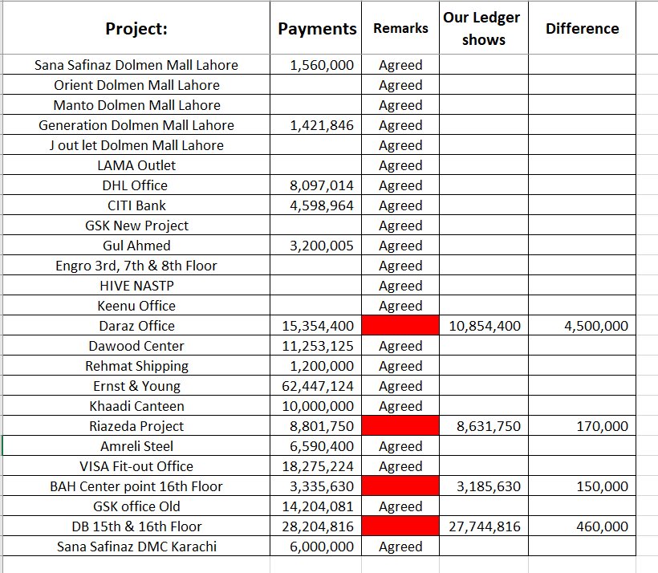

LAMA Outlet |  |  | - | - | - |  | -
DHL Office |  |  | - | - | - |  | -
Orient DML |  |  | - | - | - |  | -
Manto DML |  |  | - | - | - |  | -
Generation Store |  |  | - | - | - |  | -
CITI Bank |  |  | - | - | - |  | -
J out let DML |  |  | - | - | - |  | -
Gul Ahmed |  |  | - | - | - |  | -
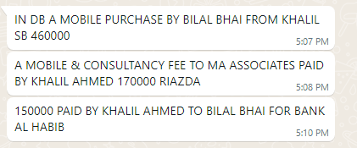
Sana Safinaz DMC |  |  | - | - | - |  | -
Engro 3rd, 7th & 8th Floor |  |  | - | - | - |  | -
HIVE NASTP |  |  | - | - | - |  | -
Keenu Office |  |  | - | - | - |  | -
Daraz Office |  |  | - | - | - |  | -
Dawood Center |  |  | - | - | - |  | -
Rehmat Shipping |  |  | - | - | - |  | -
Ernst & Young |  |  | - | - | - |  | -
Khaadi Canteen |  |  | - | - | - |  | -
Riazeda Project |  |  | - | - | - |  | -
Amreli Steel |  |  | - | - | - |  | -
VISA Fit-out Office |  |  | - | - | - |  | -
BAH Center point |  |  | - | - | - |  | -
Ethnic Outfitter |  |  | - | - | - |  | -
GSK office |  |  | - | - | - |  | -
DB 15th & 16th Floor | 26,121,172 | 3,571,369 | 29,692,541 | 1,633,090 | 31,325,631 | 27,744,816 | 3,580,815
Sana Safinaz

